Part 1
Creating Data Validation
Ques - You have to apply a data validation in the yellow part from the list of region . if incase someone type something else then the window popup should say type region

Name | Sales Amount | Region
Harry | $1,200 | West
Sam | $1,400
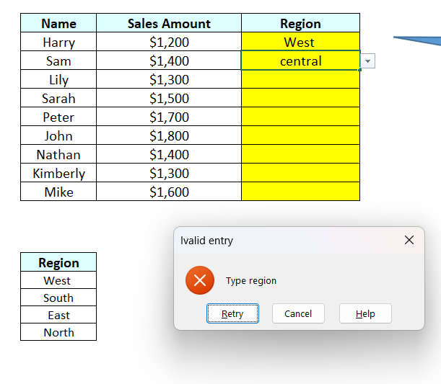
Lily | $1,300
Sarah | $1,500
Peter | $1,700
John | $1,800
Nathan | $1,400
Kimberly | $1,300
Mike | $1,600

Region
West
South
East
North

Part 2
Insert the data validation in the box . list should contans the hex code from the table
Color Name | Hex Code | RGB Code
Red | #FF0000 | 255, 0, 0
Orange | #FFA500 | 255, 165, 0
Yellow | #FFFF00 | 255, 255, 0
Lavender | #E6E6FA | 230, 230, 250
Lime | #00FF00 | 0, 255, 0
Blue | #0000FF | 0, 0, 255

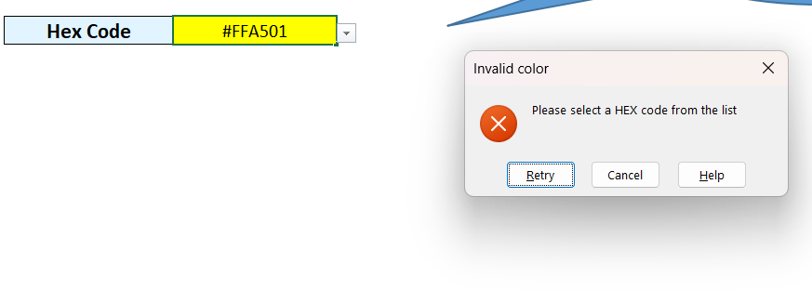
Hex Code | #FFA500

